Sheet1
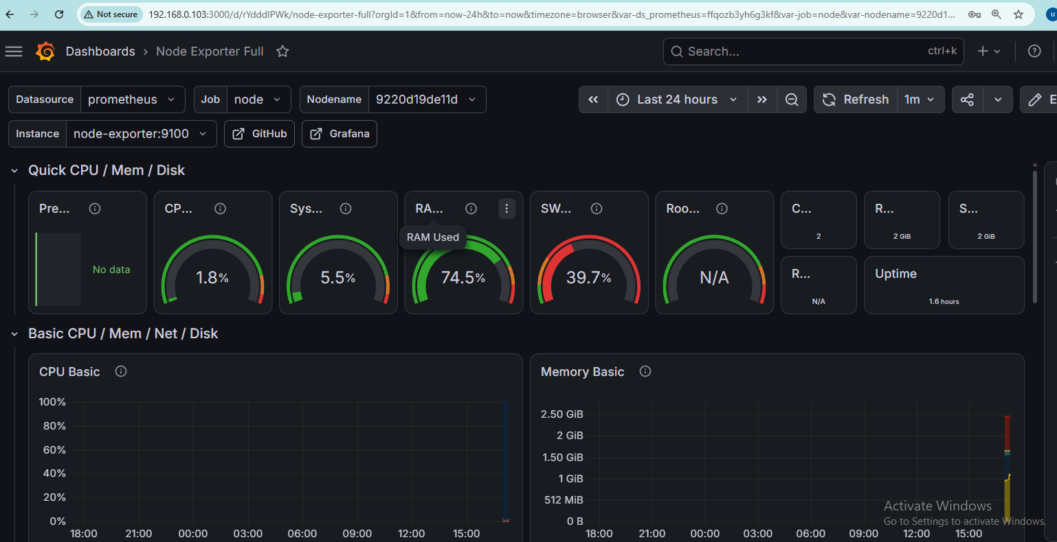
Deploying Monitoring tools Prometheus and Grafana
Steps to Deploy Prometheus and Grafana
Step 1. create directory

Step 2. Create Prometheus Configuration

Step 3. Create monitoring docker compose file

Changing Prometheus Port to 9091 because 9090 port is already in use

Step 4. Running Docker Containers using docker compose

Step 5. Verify Running Containers

Step 6. Test Prometheus and Grafana using curl

Step 6. Test Prometheus in browser using ip address and port number and verify its fetching metrics
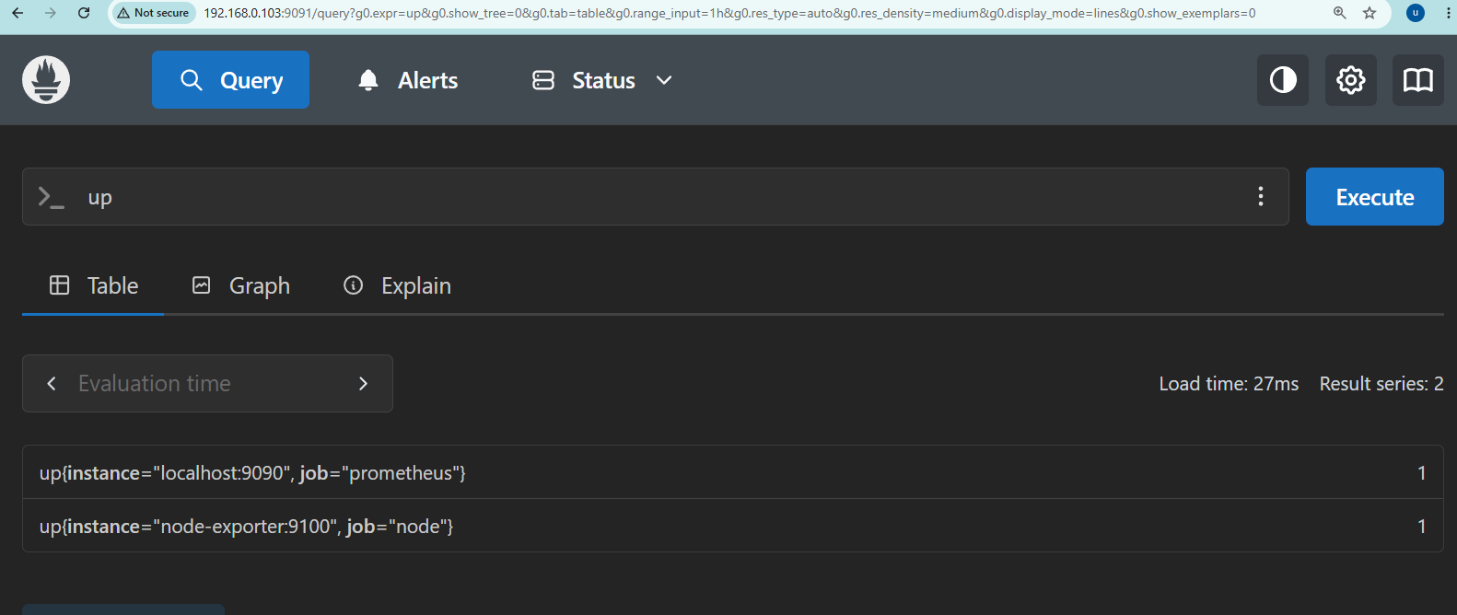
Step 7. Test Grafana in browser using ip address and port number & Login using default username & password

Step 7. It Will Display your Vms Complete Dashboard

